Sheet1
Tax Invoice
Company Name: |  |  |  | LOGO
Address:

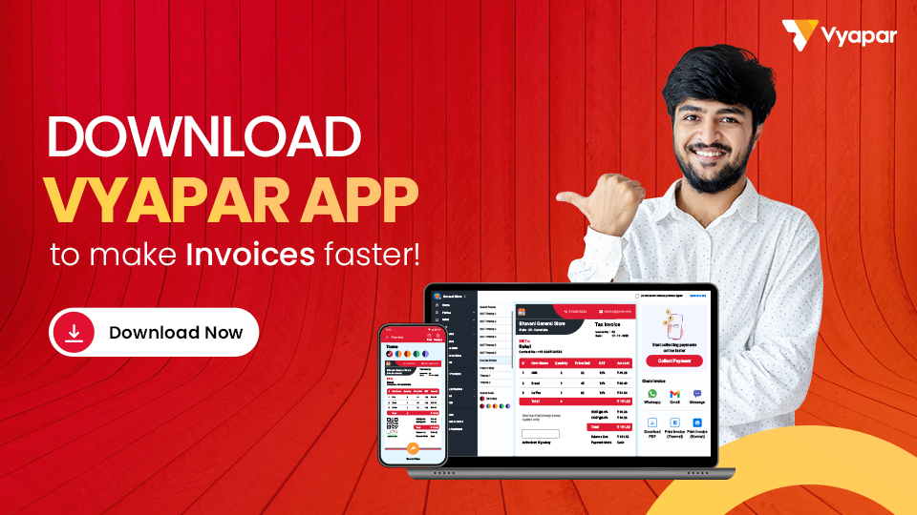
Phone No.:
Email ID:
GSTIN:

Bill To:
Name: |  |  | Invoice No.:
Address: |  |  | Date:
 |  |  | Appointment Date:
Phone No.: |  |  | Payment Due Date:
Email ID: |  |  | Payment Mode:
GSTIN:

Description/ Detail of the Art:

Sl. No. | Description | Hours | Price / Hour | GST (%) | Amount
1 | Item 01 | 24 | 50 | 12% | 1344
2 | Item 02 | 24 | 50 | 12% | 1344
3 | Item 03 | 24 | 50 | 12% | 1344
4 | Item 04 | 24 | 50 | 12% | 1344
5 | Item 05 | 24 | 50 | 12% | 1344
6 | Item 06 | 24 | 50 | 12% | 1344
Amount In Words: |  |  | Sub Total: |  | 8064
 |  |  | Discount: |  | 200
 |  |  | Final Amount: |  | 7864

Terms & Conditions:

 |  |  | Seal & Signature

Declaration:
Thanks for giving the opportunity to make this such a beautiful art, Hope you loved it, But in case, if you are disappointed, please let me know. I will try to make it much better free of cost !!

Thanks for business with us!!! Please visit us again !!!

