Sheet1
Bill Of Supply
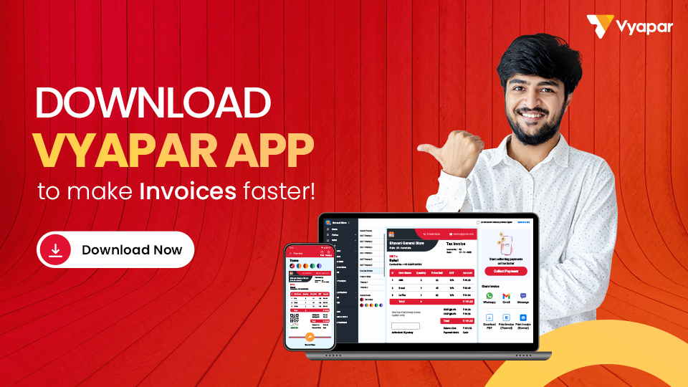
Company Name: |  |  |  |  | LOGO
Address:

Phone No.:
Email ID:
GSTIN:

Bill To: |  |  |  | Invoice No.:
Name: |  |  |  | Date:
Address: |  |  |  | Purchase Order:
 |  |  |  | Due Date:
Phone No.: |  |  |  | Payment Mode:
Email ID: |  |  |  | Place of Supply:
GSTIN:

Sl. No. | Description | HSN / SAC | Quantity | Price / Unit | Discount (total) | Amount
1 | Item 01 | 1234 | 10 | 1000 | 100 | 9900
2 | Item 02 | 1235 | 10 | 1000 | 100 | 9900
3 | Item 03 | 1236 | 10 | 1000 | 100 | 9900
4 | Item 04 | 1237 | 10 | 1000 | 100 | 9900
5 | Item 05 | 1238 | 10 | 1000 | 100 | 9900
6 | Item 06 | 1239 | 10 | 1000 | 100 | 9900
7 | Item 07 | 1240 | 10 | 1000 | 100 | 9900
8 | Item 08 | 1241 | 10 | 1000 | 100 | 9900
9 | Item 09 | 1242 | 10 | 1000 | 100 | 9900
 | Total |  | 90 |  | 900 | 89100

The Total amount you have saved is ===>> |  |  |  |  |  | 900
The Total Invoice Amount is ====>> |  |  |  |  |  | 89100

Terms & Condition : |  |  |  | Amount In words:

Remarks :
1. Composition dealer is not eligible to collect the taxes on supply

2. .

 |  |  |  | Seal & Signature

