Sheet1
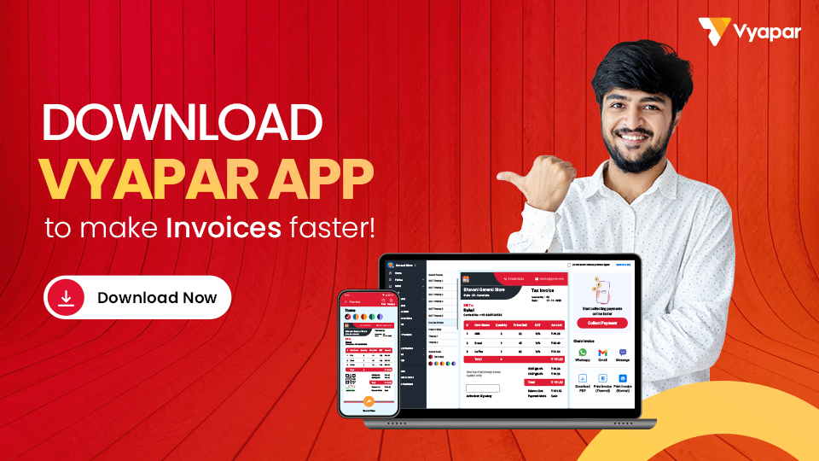
Company Name: |  |  |  |  | LOGO
Address:

Phone No.:
Email ID:
GSTIN:
City: |  |  | State:

Bill To:
Name: |  |  | Invoice No.:
Address: |  |  | Created On:
 |  |  | From Date:
Phone No.: |  |  | Till Date:
Email ID: |  |  | Due Date:
GSTIN: |  |  | State:

Date | Description | QTY | Price /Unit | Disc | GST | Amount
2023-01-01 | Item 01 | 10 | 100 | 30 | 5% | 1018.5
2023-02-01 | Item 02 | 10 | 100 | 30 | 12% | 1086.4
2023-02-02 | Item 03 | 10 | 100 | 30 | 5% | 1018.5
2023-02-03 | Item 04 | 10 | 100 | 30 | 12% | 1086.4
2023-02-04 | Item 05 | 10 | 100 | 30 | 18% | 1144.6
2023-02-05 | Item 01 | 10 | 100 | 30 | 28% | 1241.6
2023-02-06 | Item 02 | 10 | 100 | 30 | 5% | 1018.5
2023-02-07 | Item 03 | 10 | 100 | 30 | 12% | 1086.4
2023-02-08 | Item 04 | 10 | 100 | 30 | 18% | 1144.6
2023-02-09 | Item 05 | 10 | 100 | 30 | 28% | 1241.6
2023-02-10 | Item 01 | 10 | 100 | 30 | 5% | 1018.5
2023-02-11 | Item 02 | 10 | 100 | 30 | 12% | 1086.4
2023-02-12 | Item 03 | 10 | 100 | 30 | 12% | 1086.4
2023-02-13 | Item 04 | 10 | 100 | 30 | 5% | 1018.5
2023-02-14 | Item 05 | 10 | 100 | 30 | 5% | 1018.5
2023-02-16 | Item 07 | 10 | 100 | 30 | 18% | 1144.6

Total Balance In Word: |  |  | Invoice Sub Total: |  |  | 17460
Twelve thousand four hundred and sixty rupees only. |  |  | Advance/Received Amount: |  |  | 5000
 |  |  | Total Balance: |  |  | 12460

Terms & Conditions:

 |  |  |  | Company Seal & Signature

