Sheet1
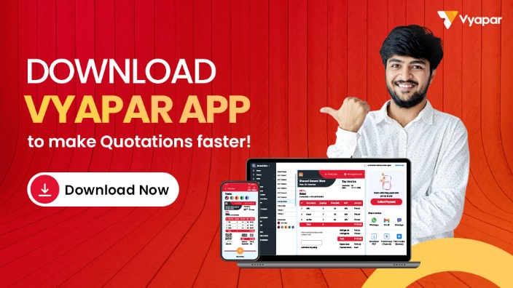
Quotation Format
Company Name: |  |  |  |  |  |  | LOGO
Address:

Phone No.:
Email ID:
GSTIN:
State:
Quotation For: |  |  |  |  | Quotation No.: |  | ABC001
Customer Name: |  |  |  |  | Date: |  | DD/MM/YYYY
Address: |  |  |  |  | Customer ID/ Vendor code

Phone No. |  |  |  |  | Method of Dispatch:
Email ID: |  |  |  |  | Type of shipment:
GSTIN: |  |  |  |  | Point of Loading:
State: |  |  |  |  | Point of discharge:

SL. No. | Description | Product code | Quantity | Unit | Price/Unit (without tax) | GST | Amount
1 | Item 01 | 1234 | 6 | Day | 350 | 18% | 2478
2 | Item 02 | 1234 | 12 | hours | 400 | 18% | 5664
3 | Item 03 | 1234 | 13 | Day | 300 | 18% | 4602
4 | Item 04 | 1234 | 14 | hours | 250 | 18% | 4130
5 | Item 05 | 1234 | 13 | hours | 300 | 18% | 4602
6 | Item 06 | 1234 | 12 | hours | 420 | 18% | 5947.2
7 | Item 07 | 1234 | 16 | Day | 400 | 18% | 7552
 | Total |  |  |  |  | 10292.4 | 34975.2

Estimate Amount in Words: |  |  |  |  | Sub Total (With Tax) |  | 34975.2
 |  |  |  |  | CGST: |  | 5146.20
 |  |  |  |  | SGST: |  | 5146.20
 |  |  |  |  | Discount Amount: |  | 1000
 |  |  |  |  | Total Amount |  | 33975.20
Terms and Conditions: |  |  |  |  | Advance Amount: |  | 5000
 |  |  |  |  | Balance Amount: |  | 28975.2
 |  |  |  |  | Seal & Signature

Thanks for business with us!!! Please visit us again !!!

