Sheet1
Quotation

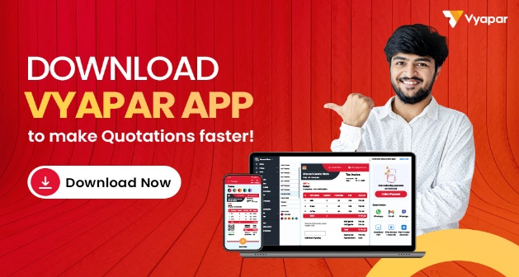
Company Name: |  |  |  |  | LOGO
Address:

City, State Zip Code:
Phone No.:
Email ID:

Quote To: |  |  |  | Quote No.:
Name: |  |  |  | Quote Date:
Address: |  |  |  | Client Name:

Phone No.:
Email ID:

SL. No. | Description | QTY | Price / Unit | Disc. (₹) | GST (%) | AMOUNT
1 | Food Item 01 | 10 | 1000 | 100 | 5% | 10395
2 | Food Item 02 | 10 | 1000 | 100 | 5% | 10395
3 | Food Item 03 | 10 | 1000 | 100 | 5% | 10395
4 | Food Item 04 | 10 | 1000 | 100 | 5% | 10395
5 | Food Item 05 | 10 | 1000 | 100 | 5% | 10395
6 | Food Item 06 | 10 | 1000 | 100 | 5% | 10395
7 | Food Item 07 | 10 | 1000 | 100 | 5% | 10395
8 | Food Item 08 | 10 | 1000 | 100 | 5% | 10395
9 | Food Item 09 | 10 | 1000 | 100 | 5% | 10395
 | Total | 90 |  | 900 |  | 93555
SUB Total: |  |  |  |  |  | 93555
 |  |  |  |  | SGST: | 0
 |  |  |  |  | CGST: | 0
Final Amount: |  |  |  |  |  | 93555

Amount in Words:

Terms & Condition:

 |  |  |  | Company Seal & Signature
Note:

