Sheet1
Quotation
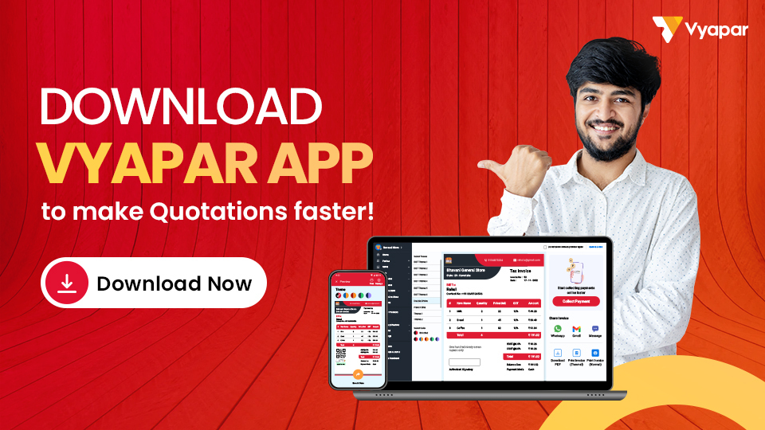

LOGO | Company Name:
 | Address:

 | Phone No.:
 | Email ID:
 | Website:

Quote To:
Name:
Address:

Phone NO.:
Email ID:

Quote No.: |  |  | Quote By:
Quote Date: |  |  | Event Manger Name:
Event Date From: |  |  | Manager Mobile No.:
Event Date To:

ABC |  | 💕 Weds 💕 |  | DEF

Decriptions |  |  | Price | GST (%) | GST (₹) | Amount
Event 01 |  |  | 10000 | 5% | 500 | 10500
Event 02 |  |  | 10000 | 5% | 500 | 10500
Photography day 1 |  |  | 50000 | 5% | 2500 | 52500
Photography day 2 |  |  | 50000 | 5% | 2500 | 52500
Food & Catering |  |  | 250000 | 5% | 12500 | 262500
Hall Design |  |  | 10000 | 5% | 500 | 10500
etc… |  |  | 1000 | 5% | 50 | 1050
etc… |  |  | 1000 | 5% | 50 | 1050
etc… |  |  | 1000 | 5% | 50 | 1050
etc… |  |  | 1000 | 5% | 50 | 1050
etc… |  |  | 1000 | 5% | 50 | 1050
etc… |  |  | 1000 | 5% | 50 | 1050
etc… |  |  | 1000 | 5% | 50 | 1050
etc… |  |  | 1000 | 5% | 50 | 1050
Total |  |  | 388000 |  | 19400 | 407400

Amount in Words:

Plan contains the Below Services:

 |  |  |  | Seal & Signature

