Sheet1
Company Name: |  |  |  |  |  | Logo
Address :
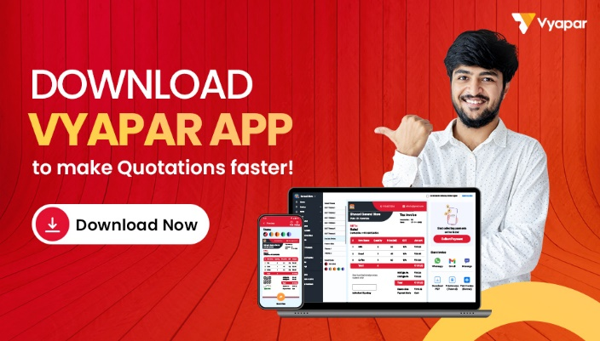
Phone No.:
Email ID:
GSTIN:
State:

Quotation

Quote To:
Name:
Address:

Contact No.: |  |  |  |  | Quotation No.: |  | ABC-2022-0001
GSTIN No.: |  |  |  |  | Quotation Date: |  | DD/MM/YYYY
State:

# | Description | Qnty | Unit | Rate/Unit | Dis. | GST | Amount
1 | Item 1 | 100 | Pieces | 500.00 | 100 | 18% | 8982
2 | Item 2 | 150 | Pieces | 550.00 | 100 | 18% | 14832
3 | Item 3 | 200 | Pieces | 400.00 | 100 | 18% | 14382
4 | Item 4 | 500 | Pieces | 600.00 | 200 | 18% | 53964
5 | Item 5 | 700 | Pieces | 300.00 | 500 | 18% | 37710
6 | Item 6 | 100 | Pieces | 400.00 | 100 | 18% | 7182
7 | Item 7 | 400 | Pieces | 400.00 | 100 | 18% | 28782

Total |  | 2150 |  |  | 1200 |  | 165834

Amount in words: |  |  |  | Sub Total: |  |  | 165834.00
 |  |  |  | Discount: |  |  | 1200
 |  |  |  | SGST |  |  | 82917
 |  |  |  | CGST |  |  | 82917
Terms & Conditions |  |  |  | Total |  |  | 164634.00

 |  |  |  | Advance |  |  | 1000
 |  |  |  | Balance |  |  | 163634.00
 |  |  |  |  |  | Company seal and Sign

