Sheet1
Company Name: |  |  |  |  | LOGO
Address:
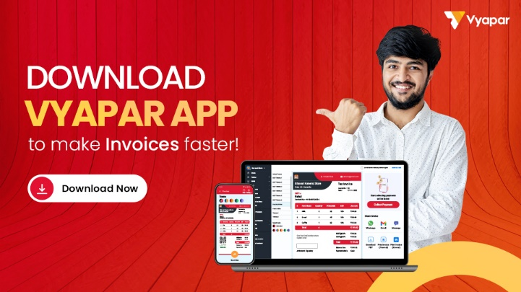
State:
Email:
Phone No.:
GSTIN:

Tour Package Invoice

Party Name: |  |  | Invoice No.

Address: |  |  | Invoice Date:

Email No.: |  |  | Destination:
Phone No.:
PAN No.: |  |  | Duration:

Services | Description |  |  | No. of Person | Rate/Person | Amount

Air transport | Round Trip, Airlines |  |  | 2 | 2000 | 4000
Bike Rental | Airport to Hotel |  |  | 3 | 3000 | 9000
Scooty Rental | Hotel to Airport |  |  | 4 | 4000 | 16000
Lodging | Trip, Tour Guide |  |  | 5 | 5000 | 25000
Cycle Rental | 2 Nights Stay |  |  | 6 | 2000 | 12000
Car Rental | Round Trip, Airlines |  |  | 1 | 2000 | 2000
Other | Airport to Hotel |  |  | 2 | 2000 | 4000
Other | Hotel to Airport |  |  | 3 | 2000 | 6000
Other | Trip, Tour Guide |  |  | 4 | 3000 | 12000
Other | 2 Nights Stay |  |  | 5 | 3000 | 15000
Other | Round Trip, Airlines |  |  | 6 | 4000 | 24000
 | Total |  |  |  |  | 129000

SUB TOTAL |  | TAX (%) |  |  | GRAND TOTAL
129000 |  | 18% |  |  | 152220

Amount in Word |  |  | Signature

