Trial Balance report
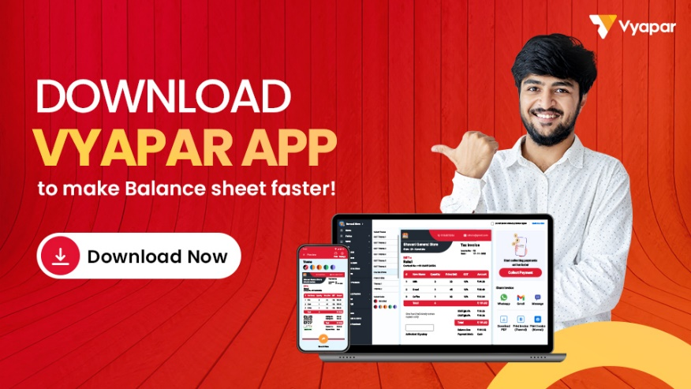
TRAIL BALANCE SHEET

Company Name:
Phone No.: | Email ID:
GSTIN No.: | Time Period:

Accounts |  | Closing Balance
 |  | Debit | Credit
I. Assets
1. Fixed Assets |  | 0 | 0
Land & Building
Vehicles
Plant And Machinery
Furniture
2.1. Non Current Assets |  | 0 | 0
Investments
Outward Loans & Advances (Long term)
2.2. Current Assets |  | 0 | 0
a. Sundry Debtors
b. Input Duties and Taxes |  | 0 | 0
* Input CGST
* Input SGST
* Input IGST
* TCS Receivable
* Cess Receivable
* TDS Receivable
* Advance Tax
c. Bank Accounts
d. Cash-in-Hand
Total |  | 0 | 0

II. Liabilities
1. Capital Account
2. Non Current Liabilities |  | 0 | 0
a. Loans & deposits (Long term) |  | 0 | 0
* Secured Loans
* Unsecured Loans
3. Current Liabilities |  | 0 | 0
a. Sundry Creditors
b. Outward Duties & Taxes |  | 0 | 0
* Output CGST
* Output SGST
* Output IGST
* TCS Payable
* Cess Payable
* TDS Payable
c. Provisions
d. Other Current Liabilities
e. Cash-Credit and Overdarft
f. Loans & deposits (Short term)
Total |  | 0 | 0

III. Incomes
1. Sale Accounts
2. Indirect Incomes
Total |  | 0 | 0

IV. Expenses
1. Purchase Accounts
2. Direct Expenses
3. Indirect Expenses
Total |  | 0 | 0

Total |  | 0 | 0

